(18) housing tenure
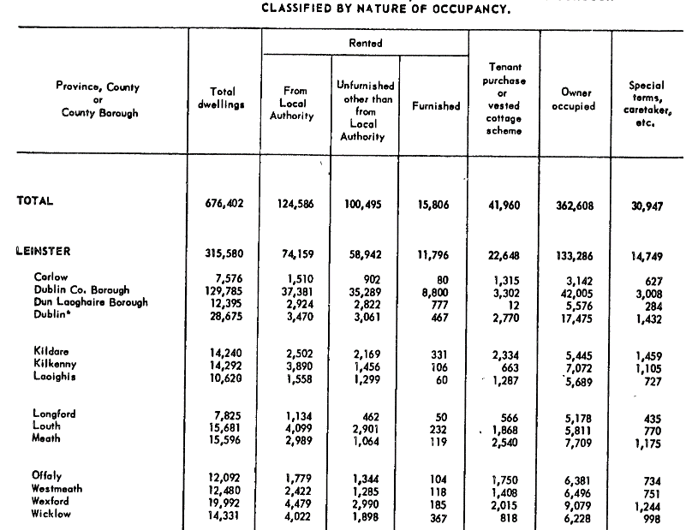
E1015: Private Households in Permanent Housing Units 2011 to 2016 by Type of Private Accommodation, County and City, Nature of Occupancy and CensusYear

Private Households in Permanent Housing Units 2011 to 2016 (Number) by |  |  |  |  |  |  | STACKED BAR CHART
Census Year, Type of Private Accommodation, Nature of Occupancy and
County and City
Need to reconcile categories across years
 |  |  | State | Dublin City | Dún Laoghaire-Rathdown | Fingal | South Dublin | Kildare | Meath | Wicklow

2016
 | All households
 |  | All types of occupancy | 1,697,665 | 211,591 | 78,568 | 96,607 | 92,393 | 73,348 | 63,861 | 49,005
 |  | Owner occupied with loan or mortgage | 535675 | 48209 | 24459 | 39983 | 34267 | 30295 | 27678 | 17790
 |  | Owner occupied without loan or mortgage | 611877 | 57064 | 29830 | 25364 | 28593 | 22511 | 20987 | 17315
 |  | Rented from private landlord | 309728 | 62865 | 15906 | 20558 | 15133 | 12629 | 9332 | 7237
 |  | Rented from a Local Authority | 143178 | 24654 | 4606 | 5697 | 9727 | 4497 | 3244 | 4588
 |  | Rented from a Voluntary Body | 16765 | 3274 | 761 | 761 | 1194 | 742 | 301 | 203
 |  | Occupied free of rent | 27440 | 2761 | 1123 | 781 | 676 | 1061 | 903 | 805
 |  | Not stated | 53002 | 12764 | 1883 | 3463 | 2803 | 1613 | 1416 | 1067

2011
 | All households
 |  | All types of occupancy | 1,649,408 | 207,847 | 75,786 | 92,951 | 89,877 | 70,504 | 61,922 | 47,579
 |  | Owner occupied with loan or mortgage | 583148 | 53054 | 26305 | 43811 | 37405 | 32476 | 29817 | 19234
 |  | Owner occupied without loan or mortgage | 566776 | 54498 | 27261 | 21450 | 25310 | 19514 | 18724 | 15471
 |  | Rented from private landlord | 305377 | 66613 | 15152 | 20029 | 15141 | 12178 | 8489 | 7087
 |  | Rented from a Local Authority | 129033 | 23949 | 4444 | 4947 | 9194 | 3801 | 2908 | 4225
 |  | Rented from a Voluntary Body | 14942 | 2728 | 566 | 667 | 1057 | 655 | 261 | 175
 |  | Occupied free of rent | 25436 | 2419 | 997 | 725 | 594 | 950 | 973 | 732
 |  | Not stated | 24696 | 4586 | 1061 | 1322 | 1176 | 930 | 750 | 655

 |  |  | State | Dublin City | Dún Laoghaire-Rathdown | Fingal | South Dublin | Kildare | Meath | Wicklow
2006
 |  | All types of occupancy | 1462296 | 190711 | 68375 | 80085 | 80358 | 60578 | 53575 | 42472
 |  | Owner occupied with loan or mortgage | 569966 | 55225 | 27701 | 44412 | 39313 | 31013 | 28409 | 18717
 |  | Owner occupied without loan or mortgage | 498432 | 49809 | 23968 | 16989 | 20478 | 15788 | 15789 | 13456
 |  | Being purchased from a Local Authority | 23547 | 5470 | 921 | 874 | 1497 | 833 | 522 | 555
 |  | Rented from a Local Authority | 105509 | 22597 | 3827 | 4149 | 7470 | 2978 | 2321 | 3525
 |  | Rented from a Voluntary Body | 50480 | 9297 | 1665 | 2442 | 2257 | 1900 | 1182 | 1094
 |  | Private rented unfurnished | 16621 | 3186 | 1093 | 677 | 518 | 650 | 447 | 583
 |  | Private rented furnished or part furnished | 128696 | 33395 | 6482 | 6930 | 5632 | 4472 | 2669 | 2611
 |  | Occupied free of rent | 21701 | 2172 | 939 | 654 | 516 | 1010 | 927 | 726
 |  | Not stated | 47344 | 9560 | 1779 | 2958 | 2677 | 1934 | 1309 | 1205

2002
 |  | All types of occupancy | 1279617 | 180661 | 64071 | 60460 | 73218 | 50076 | 41335 | 36138
 |  | Owner occupied with loan or mortgage | 484774 | 53120 | 26975 | 34703 | 38518 | 25963 | 20351 | 15376
 |  | Owner occupied without loan or mortgage | 461166 | 47519 | 22472 | 14035 | 17965 | 13592 | 13927 | 12341
 |  | Being purchased from a Local Authority | 44783 | 10817 | 1729 | 1434 | 3055 | 1499 | 1011 | 1068
 |  | Rented from a Local Authority | 88206 | 19586 | 3570 | 3096 | 6427 | 2295 | 1751 | 2926
 |  | Private rented unfurnished | 25883 | 5335 | 1449 | 768 | 749 | 1116 | 610 | 801
 |  | Private rented furnished or part furnished | 115576 | 32528 | 5763 | 4173 | 4066 | 3472 | 1813 | 2156
 |  | Occupied free of rent | 21560 | 2213 | 894 | 575 | 525 | 890 | 922 | 697
 |  | Not stated | 37669 | 9543 | 1219 | 1676 | 1913 | 1249 | 950 | 773

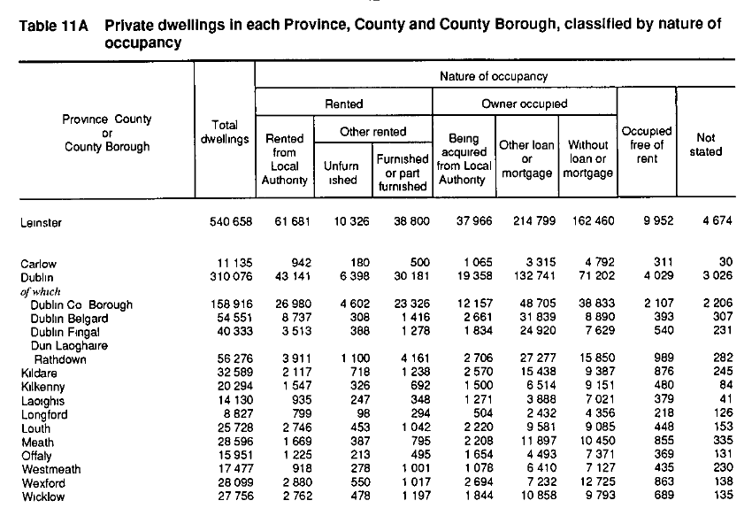
1991

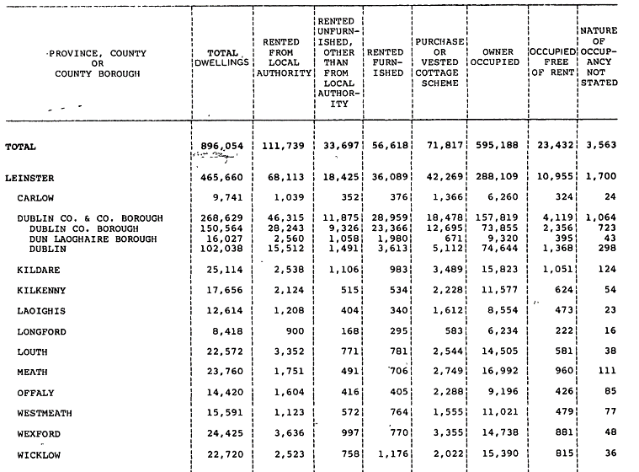
1981

1971
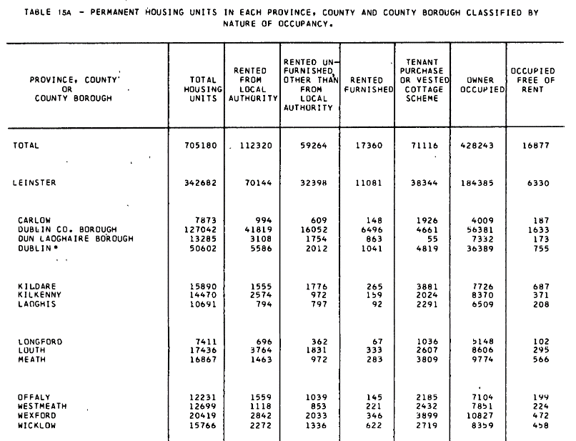

1961

